Sheet1
DBMS Project Tables |  | PRIMARY KEY | DERIVED | BOOLEAN | FOREIGN | WEAK ENTITY SET

Guest Table | Rooms | Booking | Payment | Members | Employees | Menu | Restaurant | Services | Laundry | SPA | Review
Guest ID | Room No. | Booking ID | Payment ID | Guest ID | Employee ID | Item ID | Primary Member Name | Service ID | Room No | Room No | Review ID
First name | Type (Single, Double, Suite) | Guest ID | Booking ID | Member no | First name | Item Name | Name of member present | Name | No. of clothes | In time | Guest ID
Middle Name | Price per night | Room No. | Room No | First name | Middle Name | Ingredients |  | Price | Total Cost | Out time | Rating
Last Name | Status | Check-in date/time | Final Amount | Middle name | Last name | Type |  |  |  | No. of members | Comments
Email ID | Number of nights of stay | Check-out date/time | Mode of Payment | Last name | Position | Category |  |  |  | Total Cost | Review Date
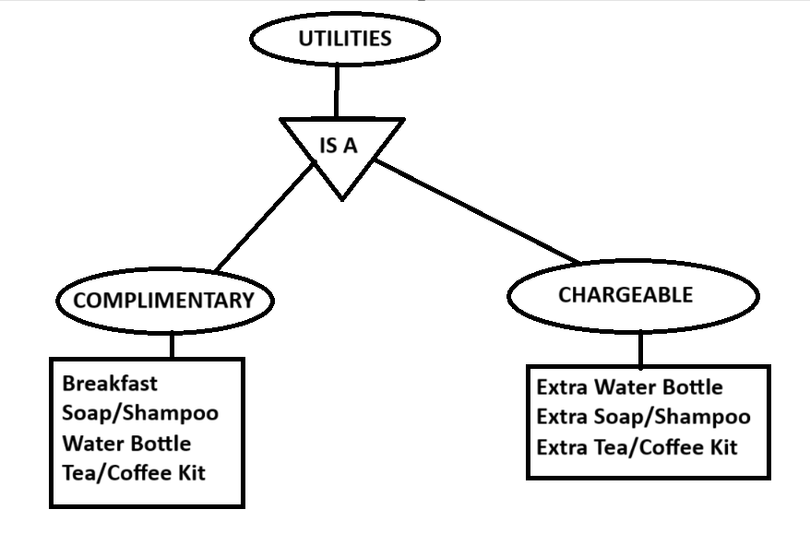
Phone No. |  | Status | Status | Relation with primary guest | Salary
ID Proof |  | Services ID |  |  | Email
DOB |  |  |  |  | Phone no
Age |  |  |  |  | Address
Members |  |  |  |  | Hire Date
Membership Holder

